Random Forest Classification
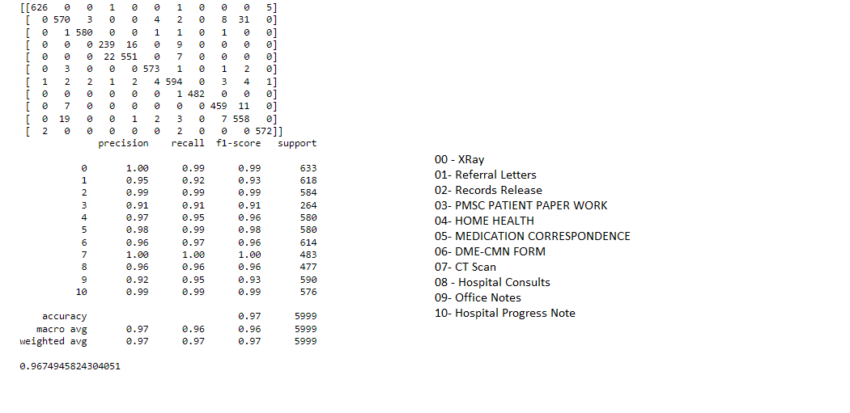
Method Name: | Random Forest Classsifier
Total files used from 11 document type for training: 8998
Total files used from 11 document types for testing: 5999
Document Type | Accuracy percent | Total Number of documents precisely classified | Total number of doucments passed for test
XRAY | 98.89% | 626 | 633
Referral letter | 92.23% | 570 | 618
Records Release | 99.31% | 580 | 584
PMSC Patient Paper Work | 90.53% | 239 | 264
Home Health | 95.00% | 551 | 580
Medication Correspondence | 98.79% | 573 | 580
DME- CMN | 96.74% | 594 | 614
CT Scan | 99.79% | 482 | 483
Hospital consults | 96.22% | 459 | 477
Office Notes | 94.57% | 558 | 590
Hospital Progress Notes | 99.30% | 572 | 576
 | Total Docs | 5804 | 5999

Total accuracy | 96.74%

 | Confusion Matrix of 11 Document Types:

